Sheet1
Desired System Parameters |  |  | Desired Performance Characteristics
50.00 | lbf | System weight | 0.95 | lbf-in | Wheel torque
3.00 | in | Wheel radius | 15.26 | oz-in
3.00 |  | Number of base supports | 20.00 | lbf-in | Max wheel torque before slip
5.00 | ft/s | Desired operating velocity | 20.00 | rad/s | Wheel angular velocity
0.20 | ft/s^2 | Desired acceleration | 190.99 | RPM
0.30 | degrees | Climb angle | 2.16 | W | Wheel output power
0.60 |  | Motor efficiency | 3.08 | W | Motor output power
12.00 | V | Motor voltage | 5.13 | W | Motor input power
0.40 |  | Static friction coefficient | 0.43 | A | Supply current/motor
 |  |  | 0.10 |  | Gear ratio

Off-the-Shelf Component Parameters |  |  | Off-the-Shelf Performance Characteristics
208.00 | oz-in | Rated motor output torque | 2.92 | W | Rated motor output power
19.00 | RPM | Rated motor output speed | 0.11 |  | Off-the-shelf gear ratio
2.25 | in | Input gear radius | 16.18 | oz-in | Wheel torque
0.25 | in | Output gear radius | 171.00 | RPM | Wheel angular velocity
0.70 |  | Gear efficiency | 4.48 | ft/s | Cart speed

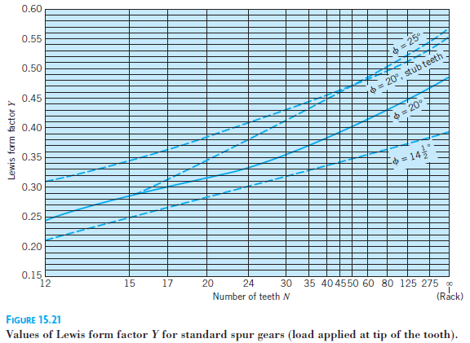
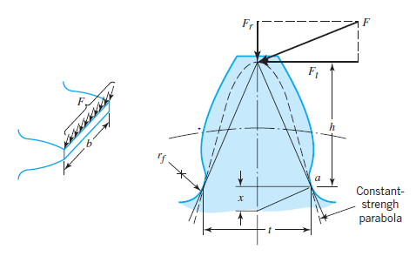
Gear Tooth Stress Analysis, Additional Parameters |  |  | Gear Tooth Stress Analysis Results
5.78 | lbf | Tangential force, F_t | 0.69 | ksi | Input gear tooth stress
48.00 |  | Pitch, P | 21.63 |  | Input gear tooth safety factor
0.13 | in | Input width, b | 0.43 | ksi | Output gear tooth stress
0.20 |  | Input Lewis form factor, Y | 34.62 |  | Output gear tooth safety factor
15.00 | ksi | Input yield strength
0.13 | in | Output width, b
0.32 |  | Output Lewis form factor, Y
15.00 | ksi | Output yield strength

Driveshaft Bending Analysis, Additional Parameters |  |  | Driveshaft Bending Stress Analysis Results
0.38 | in | Diameter | 16.10 | ksi | Shaft bending stress
5.00 | in | Cantilevered length | 2.49 |  | Shaft bending safety factor
40.00 | ksi | Yield strength

